Installation
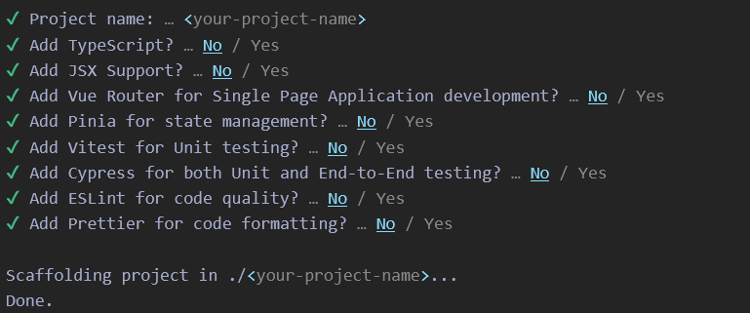

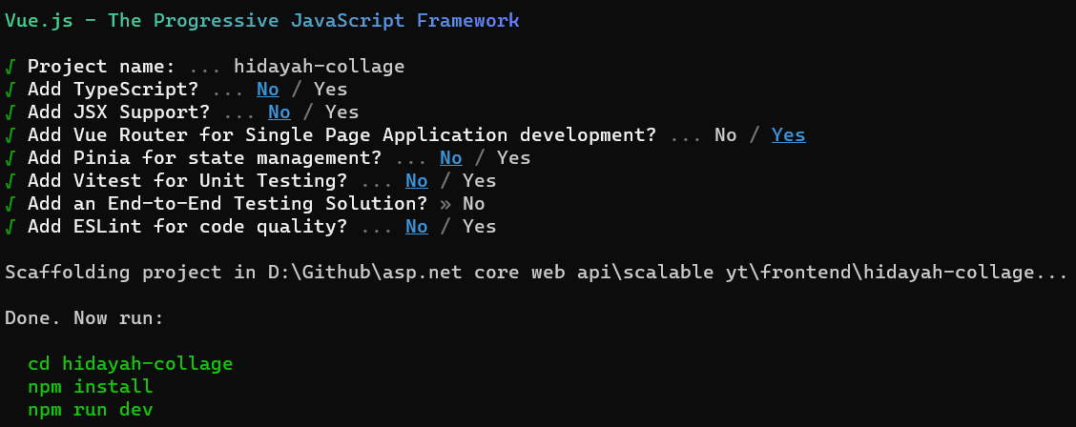

Install Bootsrap 5

Install Poppers

Install vue-router dan axios

Install toast notification

vue-password
npm add vue-password

npm i --save vue3-loading-screen
npm install epic-spinners --save

npm i vee-validate --save

npm install -S yup

npm install pinia

npm install vue3-cookies --save

npm uninstall epic-spinners

npm install vue-hooks

npm install vue-jwt-decode

npm install --save vue-axios

npm install vue-yup-validation --save

Sheet1
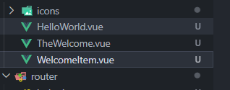
Hapus template dan style di App.vue

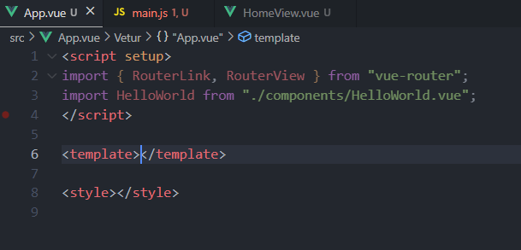

Hapus template di Home.Vue

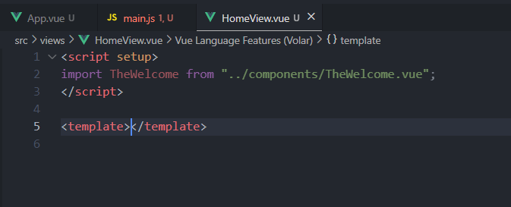

Hapus css di main.js

Hapus 3 Vue

sidebar
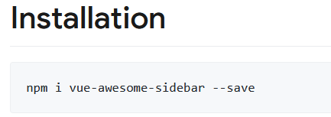

Sheet3
